Grid
Dental Access (2024)
When posting the static images from this grid, please add the alt-text copy as indicated in column E. This helps to make our content more accessible. If you’re unsure how to add alt-text, see info below for Facebook, Instagram & Twitter.
Adding Alt text: Facebook
Adding Alt text: Instagram
Adding Alt text: Twitter
Asset name | Format | Asset | Copy | ALT TEXT FOR STATIC ASSETS
Staff Facing
<asset 1 static> | 1x1 | 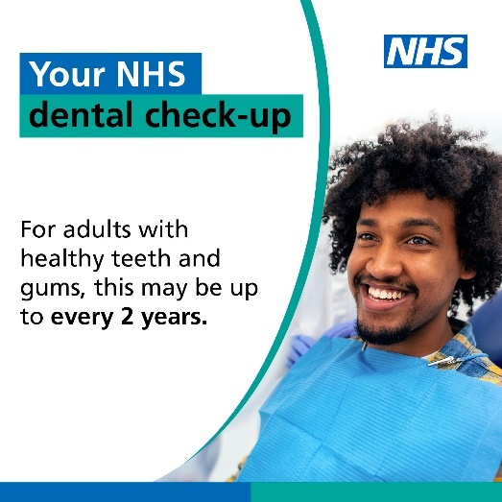 | Patients should be seen for an oral #NHScheck-up depending on their individual risk. This could be up to every two years for adults with a low risk of dental disease, or one year for children #nhsdentistry #nhsdentalcontactreform #@nicecomms #recallguidelines | Please add alt text: A person sitting in a chair. Text in image reads: Your NHS dental check-up For adults with healthy teeth and gums, this may be up to every 2 years.
<asset 3 static> | 1x1 | 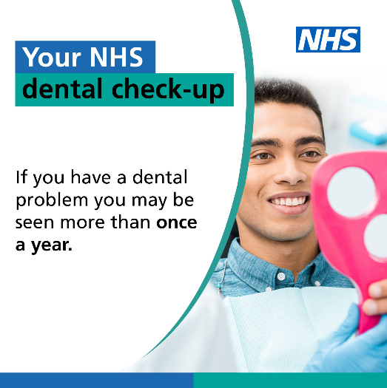 | Following @nicecomms #recallguidelines for #NHS oral check-ups, will improve access to dental care for patients and enable dental teams to see patients with the greatest oral health need #nhsdentalcontractreform #nhsdentistry | Please add alt text: A person holding a mirror. Text in image reads: Your NHS dental check-up If you have a dental problem, you may be seen more than once a year.
<asset 4 static> | 1x1 | 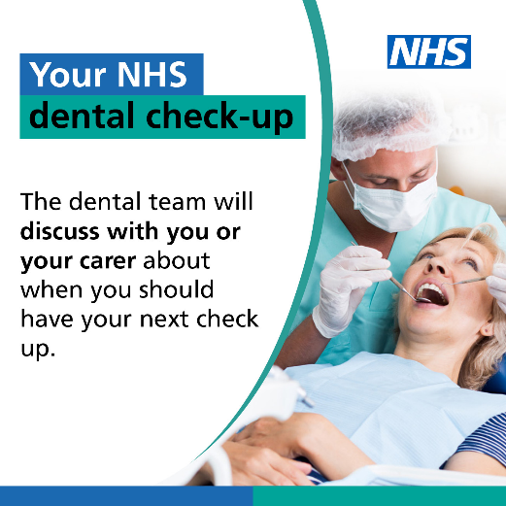 | Recalling patients for their oral #NHS check-up based on their individual risk of dental disease, means more patients with the greatest need can be seen and treated #nhsdentalcontactreform @nicecomms #recallguidelines #nhsdentistry | Please add alt text: A person having their teeth examined. Text in image reads: Your NHS dental check-up The dental team will discuss with you or your carer about when you should have your next check-up.
Patient Facing
<asset 1 static> | 1x1 |  | Your #dentalteam will talk to you about when you should come for your next #NHS check-up. This could be up to two years for people with low risk of dental disease #nhsdentistry | Please add alt text: A person sitting in a chair. Text in image reads: Your NHS dental check-up For adults with healthy teeth and gums, this may be up to every 2 years.
<asset 2 static> | 1x1 | 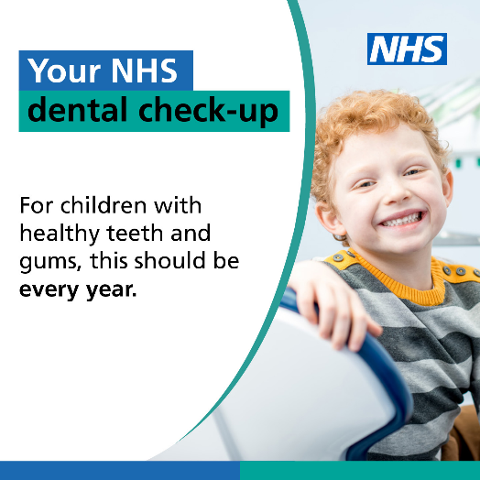 | Children with healthy teeth and gums will be offered an #NHS dental check-up every 12 months. Your #dentalteam will tell you if your child needs to be seen more frequently #nhsdentistry | Please add alt text: A child smiling at the camera. Text in image reads: Your NHS dental check-up For children with healthy teeth and gums, this should be every year.
<asset 3 static> | 1x1 |  | Your #dentalteam will ask you to come back for an #NHS check-up more often if you have dental disease or risk of a dental problem #nhsdentistry | Please add alt text: A person holding a mirror. Text in image reads: Your NHS dental check-up If you have a dental problem, you may be seen more than once a year.
<asset 4 static> | 1x1 |  | People with healthy teeth and gums may only need an #NHS dental check-up every two years. Your #dentalteam will talk to you about when you should come for your next check-up #nhsdentistry | Please add alt text: A person having their teeth examined. Text in image reads: Your NHS dental check-up The dental team will discuss with you or your carer about when you should have your next check-up.
<asset 5 static> | 1x1 | 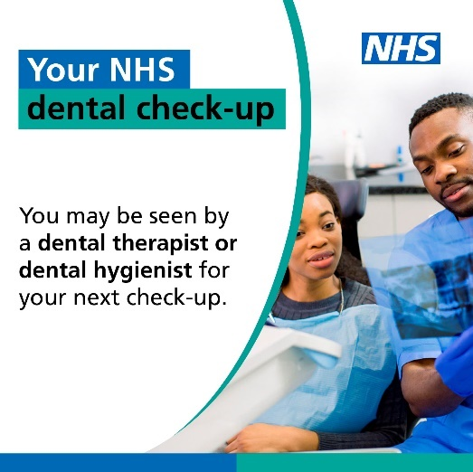 | The dental team will talk to you about who the best person is to do your #NHS check-up and when you should come back for your next one #nhsdentistry | Please add alt text: A person looking at an x-ray with a member of the dental team. Text in image reads: Your NHS dental check-up You may be seen by a dental therapist or dental hygienst for your next check-up.

